Charts
Total: | 1007
Sales: | 97 |  |  |  |  |  | Count of Sentiment (Positive/ Neutral/ Negative)
Pre Sales: | 43 | Pre-Sales Categories: |  |  |  | Post-Sales Categories | Row Labels | Total
Post Sales: | 54 | Pricing: |  |  |  | Pricing: | Mixed | 4
 |  | Product Att.: |  |  |  | Product Att.: | Negative | 13
Categories | Number of Posts | Experience: |  |  |  | Experience: | Neutral | 873
Pricing: | 4 | Customer Service: |  |  |  | Customer Service: | Positive | 117
Product Att.: | 83 |  |  |  |  |  | (blank)
Experience: | 31 |  |  |  |  |  | Grand Total | 1007
Customer Service: | 22 |  | 10% |  |  |  | Sentiment | Number of Posts
 |  |  |  |  |  |  | Mixed | 4
 |  |  |  |  |  |  | Negative | 13
 |  |  |  |  |  |  | Neutral | 873
 |  |  |  |  |  |  | Positive | 117

Negative |  |  | Count of Negative |  |  |  |  |  | Count of Sentiment (Positive/ Neutral/ Negative)
Negative |  |  | Row Labels | Total |  |  |  |  | Row Labels | Total
Neutral |  |  | Negative | 9 |  |  |  |  | Mixed | 4
Negative |  |  | Neutral | 12 |  |  |  |  | Negative | 13
Negative |  |  | Grand Total | 21 |  |  |  |  | Neutral | 873
Neutral |  |  |  |  |  |  |  |  | Positive | 117
Neutral |  |  | Negative | 9 |  |  |  |  | (blank)
Neutral |  |  | Neutral | 12 |  |  |  |  | Grand Total | 1007
Neutral |  |  | Positive | 0
Negative
Negative
Neutral
Neutral
Neutral
Neutral
Neutral
Neutral
Neutral
Negative
Negative
Negative
Negative

 |  |  |  |  | Positive | 81%
 |  |  |  |  | Negative | 18.20%
 |  |  |  |  | Mixed/Neutral | 0.80%

PreSales
Comment | Article URL | Platform | Pre-Sales-Sales-sales/Post-sales | Intent To Buy (Yes/ No/NA) | Conversation Drivers | Sentiment (Positive/ Neutral/ Negative) | Enquiry/ Compaint/ Praise/Other
@flipkartsupport @Lenovo_in It will support video call or not ? A6000 | http://twitter.com/_santhoshonline/statuses/582411232268787712 | TWITTER | Pre-sales | NA | Product Attributes | Neutral | Enquiry
TechoTweet: Lenovo A7000 : Next Stock Killer Phone By Lenovo http://t.co/7Ia5VNX789 | http://twitter.com/TheTechoTweet/statuses/582386847596326912 | TWITTER | Pre-sales | NA | Product Attributes | Neutral | Praise |  | Count of Enquiry/ Compaint/ Praise/Other
@Lenovo_in need to replace old Lenovo ThinkPad with new Flex pad. Earlier there was a combo offer with smartphone. Can we have that offer | http://twitter.com/gkundra/statuses/582223049845407745 | TWITTER | Pre-sales | Yes | Pricing | Neutral | Enquiry |  | Row Labels | Total
@Lenovo_in eagerly waiting for vibe x2 pro any specific date? | http://twitter.com/hrishi102/statuses/581766376194318337 | TWITTER | Pre-sales | Yes | Availability | Neutral | Enquiry |  | Complaint | 2 |  | Count of Sentiment (Positive/ Neutral/ Negative)
@Lenovo_in When i was booking my Lenovo A6000 on Flipkart app battery died. :-) #Phoneyfails | http://twitter.com/pateldipesh/statuses/581683327721078784 | TWITTER | Pre-sales | Yes | Experience | Positive | N/A |  | Enquiry | 33 |  | Row Labels | Total
RT @tech_erina #Techerina #Lenovo A7000 Expected to #Launch in #India on April 7th http://t.co/dzZnqIb171 #lenovoa7000 #mobile | http://twitter.com/nabin_dust/statuses/580946620910415872 | TWITTER | Pre-sales | No | Availability | Neutral | N/A |  | Other (About upcoming product launch) | 1 |  | Negative | 1
Intriguing set of phones to pick fm for ze parents (budget, light usage); Redmi 2, Moto E (2nd gen), Lenovo A6000, Zenfone 5. Any others? | http://twitter.com/atulkarmarkar/statuses/580675262544629760 | TWITTER | Pre-sales | Yes | Product Attributes | Neutral | Enquiry |  | Other (reply to enquiry) | 1 |  | Neutral | 39
which phone I should buy ???? SIR..... @gadgetstouse Xiaomi redmi2 or lenovo a6000 help needed.@abhishek | http://twitter.com/AkanshSai/statuses/580626540821630977 | TWITTER | Pre-sales | Yes | Product Attributes | Neutral | Enquiry |  | Praise | 4 |  | Positive | 3
which phone I should buy ???? SIR..... @gadgetstouse Xiaomi redmi2 or lenovo a6000 help needed. | http://twitter.com/AkanshSai/statuses/580565683769090049 | TWITTER | Pre-sales | Yes | Product Attributes | Neutral | Enquiry |  | Praise | 1 |  | Grand Total | 43
@Lenovo_in will A6000 feature on tomorrow's sale? plz reply fast have very important work to do... :) | http://twitter.com/iamlim147/statuses/580407243801235456 | TWITTER | Pre-sales | Yes | Product Attributes | Neutral | Enquiry |  | (blank)
@Lenovo_in @IntelIndia come fast the vibe series smartphone and beat all other smartphone | http://twitter.com/roysumit5/statuses/580338073105346560 | TWITTER | Pre-sales | Yes | Product Attributes | Neutral | Praise |  | Grand Total | 42 |  | Negative | 1
Anyone using Lenovo handsets? If yes then which is the best buy- Lenovo X2 or Lenovo A6000 ? #help | http://twitter.com/BeingKohlicious/statuses/579927472633819136 | TWITTER | Pre-sales | Yes | Product Attributes | Neutral | Enquiry |  |  |  |  | Neutral | 39
@geekyranjit Hi Ranjit, Want to buy a new budget android phone. Which one you will suggest. Redmi 2s or Lenovo A6000..? Please reply. Thanks | http://twitter.com/punithbala/statuses/579901777169887232 | TWITTER | Pre-sales | Yes | Product Attributes | Neutral | Enquiry |  |  |  |  | Positive | 3
@flashsaletricks I saw your Lenovo a6000 for sale on 18 march but I cannot understand how can we paste it since it not showing paste option | http://twitter.com/suneet_2us1/statuses/577845780259586048 | TWITTER | Pre-sales | Yes | Availability | Neutral | Enquiry
@nisarpari brand isn't an issue. I'm looking at asus, redmi 2, lenovo A6000, Yu yureka. Which one do you think is better? | http://twitter.com/mubeermk/statuses/577767082835587073 | TWITTER | Pre-sales | Yes | Product Attributes | Neutral | Enquiry
One of my friend ask. Which one is the best? Lenovo S860 or Asus Zenfone 5? Sape cakap iphone ketiak dia hitam. | http://twitter.com/muslimofficial/statuses/577763698107777024 | TWITTER | Pre-sales | Yes | Product Attributes | Neutral | Enquiry
@Lenovo_in out of stock message from past 1 week... Hw2register #lenovo a6000 | http://twitter.com/harishakrbabu/statuses/577536074324414465 | TWITTER | Pre-sales | Yes | Customer Service | Neutral | Enquiry
@geekyranjit sir when will lenovo A7000 will release is it worth waiting or should go for A6000 pls help in this regard | http://twitter.com/rvtjkrr/statuses/577474997884624896 | TWITTER | Pre-sales | Yes | Availability | Neutral | Enquiry
@Flipkart when will Lenovo A6000 cone on sale again | http://twitter.com/aditya9801/statuses/577401352566882304 | TWITTER | Pre-sales | Yes | Availability | Neutral | Enquiry
@Lenovo_in when will A6000 con on sale again | http://twitter.com/aditya9801/statuses/577401144940453888 | TWITTER | Pre-sales | Yes | Availability | Neutral | Enquiry
@geekyranjit which phone do you think is better overall :yu yureka or lenovo a6000? | http://twitter.com/RaghavShingi/statuses/577157702196985856 | TWITTER | Pre-sales | NA | Product Attributes | Neutral | Enquiry |  | Complaint | 2
Lenovo is gearing up to launch its new budget smartphone, Lenovo A7000 in India on April 7. The company has sent out media invites teasing the Dolby Atmos technology. It claims to be the first phone to sport a Dolby Atmos sound. Unveiled at the Mobile World Congress this year, it is successor to the Lenovo... | http://www.worldofdth.com/thread-news-lenovo-a7000-4g-smartphone-to-be-launched-in-india-on-april-7#pid52386 | Forum Posts | Pre-sales | NA | Product Attributes | Neutral | Praise |  | Enquiry | 33
Originally Posted by ishan_kkr Yureka is of 9K, i only have 7.. I liked Lenovo A6000 but m not sure whether any call recording app will successfully run in it? So, shud i go wid Asus? This says it has a call recorder app by default: Lenovo A6000 Questions Answers FAQ â€“ Doubts Cleared Ã‚Â» Gadgets To Use And... | http://www.digit.in/forum/buying-advice/190651-need-good-android-phone-7k-compatible-working-call-recorder-app.html#post2212526 | Forum Replies | Pre-sales | NA | Product Attributes | Positive | Enquiry |  | Praise | 4
Quote: Originally Posted by allhyundaicars Do you know the price in US ? if it's more than 5000 rs difference , i'd buy from the US, if not then will buy indian version for the warranty. Edit :are you sure lenovo sells in US. I just made a quick google search and it says lenovo doesn't sell :p Infact in the... | http://www.theautomotiveindia.com/forums/gadgets-more/13973-suggest-me-new-mobile-phone-thread-33.html#post438733 | Forum Replies | Pre-sales | NA | Availability | Neutral | Enquiry |  | Other | 2
Check these: Alcatel Onetouch Idol X+ vs HTC Desire 620G DS vs Redmi 2 vs Lenovo A6000: Compare Mobiles: Flipkart.com I personally think Redmi 2 or Lenovo A6000 should be sufficient for her Yureka is for the geeks, but nevertheless it has great hardware, you can go for it if you want... | http://www.digit.in/forum/buying-advice/190574-smartphone-gift-my-spouse.html#postcount2211340 | Forum Replies | Pre-sales | NA | Product Attributes | Neutral | Praise
Originally Posted by Skyh3ck i have Lenovo A6000 in my cart right now, and have only one hour to decide, guys please help should i buy it or wait for Redmi 2, InFocus M2 or any other phone depending on preference-Xiaomi,Lenovo or even Moto avoid brands such as infocus | http://www.digit.in/forum/buying-advice/190430-new-android-mobile-needed-budget-4k-7k-suggestions-please-2.html#post2210722 | Forum Replies | Pre-sales | Yes | Product Attributes | Neutral | Enquiry
:- Android only Heavy duty battery 3500mah or more Large Screen 5.5 inch or more. 4G Must have - Dual sim even better. 3GB RAM or more I was thinking of Lenovo Vibe Z2 Pro. Any other good competitors. Btw i also bought the redmi Note recently - thats absolute stunning value for money. Master Iron Rock, why... | http://www.theautomotiveindia.com/forums/gadgets-more/13973-suggest-me-new-mobile-phone-thread-33.html#post438117 | Forum Replies | Pre-sales | Yes | Product Attributes | Neutral | Enquiry
@Lenovo_in when was the next sale for #lenovo a6000 d hw 2 register | http://twitter.com/harishakrbabu/statuses/576744785127444480 | TWITTER | Pre-Sales | Yes | Availability | Neutral | Enquiry
@Lenovo_in @lenovohelp will the vibe ui stillbe there after the lollipop update in a6000?cuz that's the only thing stoppin me from buying it | http://twitter.com/manas_m13/statuses/576453477892632576 | TWITTER | Pre-Sales | Yes | Product Attributes | Neutral | Enquiry
 | Complaint | Enquiry | N/A | Praise
Availability |  | 7 | 1
Customer Service | 1 | 1
Experience |  | 7 | 1
Pricing |  | 2
Product Attributes | 1 | 16 |  | 5
@abhishekroy How Much Did it Cost?? And Please Suggest me, Moto g 2nd Gen: http://t.co/q7QRyc9FUh Lenovo A6000: http://t.co/KvxPQ24H66 | http://twitter.com/iamsirAMIT/statuses/575941352250195968 | TWITTER | Pre-Sales | Yes | Pricing | Neutral | Enquiry
Which Phone Shall I Go For...?? Lenovo A6000, Moto G (2nd Gen) or Moto E (2nd Gen). Please Suggest The Best Optimal Choice :)) | http://twitter.com/iamsirAMIT/statuses/575935827835949059 | TWITTER | Pre-Sales | Yes | Experience | Neutral | Enquiry
@Lenovo_in @srikantj's #P780 is dead. Need resolution today else we're ordering @MotorolaIndia #MotoG tonight. #PoorService #EpicFail | http://twitter.com/domyowndance/statuses/575540926371786752 | TWITTER | Pre-Sales | Yes | Customer Service | Negative | Complaint
@geekyranjit I am satisfied with camera on my #AndroidOne, & want to buy Lenovo A6000 for my sister. Does 8MP on Lenovo does better job? | http://twitter.com/slnchandana/statuses/575526206138945536 | TWITTER | Pre-Sales | Yes | Product Attributes | Neutral | Enquiry
@KohlEyes8 @Lenovo_in hi how's dis lenovo a6000 phn overall?? | http://twitter.com/Ank1_d_Ar13s/statuses/575182444925620224 | TWITTER | Pre-Sales |  | Experience | Neutral | Enquiry
@RajivMakhni Will new #motoE receive android updates? Which one to prefer betn motoE2 or lenovo a6000, if perfomance is of highest priority. | http://twitter.com/subrat_ray/statuses/575022981719572480 | TWITTER | Pre-Sales |  | Experience | Neutral | Enquiry
@CollChris hv u used lenovo A6000, whether is worth to buy this phone | http://twitter.com/abh00007/statuses/575006440466685954 | TWITTER | Pre-Sales |  | Experience | Neutral | Enquiry
@geekyranjit sir i am planning to buy a smartphone for my mother which mobile i buy for these xiaomi note 4g,yureka or lenovo a6000 ??? | http://twitter.com/1andonlyshayan/statuses/574892865207148545 | TWITTER | Pre-Sales | Yes | Experience | Neutral | Enquiry
@geekyranjit Sir,heard people having issues with Lenovo A6000, hanging or freezing issues due to low ram.So,I am skeptical about buying it. | http://twitter.com/siddharthjharia/statuses/574615130954076160 | TWITTER | Pre-Sales |  | Product Attributes | Neutral | Complaint
@Lenovo_in #iwantlenovoa6000 I want it bcoz this is my first love, I mean on first look of this phone i decided that i will buy it | http://twitter.com/ajay_pilaniya/statuses/574610419848871936 | TWITTER | Pre-Sales | Yes | Product Attributes | Neutral | Praise
Sir @RajivMakhni please reply. Should I buy #Lenovo #A6000. Is it a good phone ? | http://twitter.com/aditya0017/statuses/573215487183605760 | TWITTER | Pre-Sales | Yes | Experience | Neutral | Enquiry
Originally Posted by Skyh3ck only Android Phone, hey guys, i am hearing lot of things about those 2 GB RAM and 16 GB memory phones going to be mainstrea, but when, any thing new coming in next few months i can wait, or will go with Redmi 2 or lenovo 6000 - - - Updated - - - i done like big phones, they look... | http://www.digit.in/forum/buying-advice/190430-new-android-mobile-needed-budget-4k-7k-suggestions-please.html#post2209778 | TWITTER | Pre-Sales | Yes | Product Attributes | Neutral | Enquiry
Quote: Originally Posted by vikash49 Split between Moto E (2nd Gen) & Lenovo A6000 for my teenaged cousin. Both are great VFM. Both have decent specs. Both are 6999 on Flipkart. Both have excellent reviews. So, which one & why? Lenovo A6000 has a 8mp rear cam with an led flash and a better front cam for... | http://www.team-bhp.com/forum/gadgets-computers-software/63048-mobile-phone-thread-queries-decisions-discussions-all-here-713.html#post3663532 | TWITTER | Pre-Sales | Yes | Experience | Neutral | Enquiry

 |  |  |  |  | Count of Conversation Drivers | Column Labels |  |  |  |  | Conversation Driver | Complaint | Enquiry | N/A | Praise | Grand Total
 |  |  |  |  | Row Labels | Complaint | Enquiry | N/A | Praise | Grand Total | Availability |  | 7 | 1 |  | 8
 |  |  |  |  | Availability |  | 7 | 1 |  | 8 | Customer Service | 1 | 1 |  |  | 2
 |  |  |  |  | Customer Service | 1 | 1 |  |  | 2 | Experience |  | 7 | 1 |  | 8
 |  |  |  |  | Experience |  | 7 | 1 |  | 8 | Pricing |  | 2 |  |  | 2
 |  |  |  |  | Pricing |  | 2 |  |  | 2 | Product Attributes | 1 | 16 |  | 5 | 22
 |  |  |  |  | Product Attributes | 1 | 16 |  | 5 | 22
 |  |  |  |  | Grand Total | 2 | 33 | 2 | 5 | 42
 |  |  |  |  |  |  |  |  |  |  | Conversation Driver | Complaint | Enquiry | N/A | Praise
 | Complaint | Enquiry | N/A | Praise
Availability |  | 88% | 13%
Customer Service | 50% | 50%
Experience |  | 88% | 13%
Pricing |  | 100%
Product Attributes | 5% | 73% |  | 0.22727272727
 |  |  |  |  |  |  |  |  |  |  | Availability |  | 87.5% | 12.5%
 |  |  |  |  |  |  |  |  |  |  | Customer Service | 50% | 50%
 |  |  |  |  |  |  |  |  |  |  | Experience |  | 87.5% | 12.5%
 |  |  |  |  |  |  |  |  |  |  | Pricing |  | 100%
 |  |  |  |  |  |  |  |  |  |  | Product Attributes | 4.5% | 72.7% |  | 22.7%

PostSales
No. | Comment | Article URL | Platform | Pre-Sales-Sales-sales/Post-sales | Intent To Buy (Yes/ No/NA) | Conversation Drivers | Sentiment | Category | Notes
25 | Dear @Lenovo_in I got a faulty p780 phone, running pillar to post for this. No one is listening for last 6 months @IntelIndia @nixxin | http://twitter.com/ramnkumar/statuses/582055088950128640 | TWITTER | Post-sales | No | Customer Service | Negative | Complaint
26 | @Lenovo_in I purchased Lenovo P780. hangs every moment, I cant use even one app, service centre says it is defect. What to do? | http://twitter.com/ramnkumar/statuses/582054112017018880 | TWITTER | Post-sales | No | Experience | Neutral | Complaint
36 | @Paytm ORDER NO. 824621308 I have purchased Lenovo A369i mobile, i found it is not working, So please Either you Replace or Refund my Money | http://twitter.com/Pranavmkpro/statuses/581862497390583808 | TWITTER | Post-sales | No | Experience | Neutral | Complaint |  |  | Count of Sentiment (Positive/ Neutral/ Negative)
45 | #Lenovo #a6000 a good phone but the problem is battery doesn't lasts long | http://twitter.com/bloodsuckerV/statuses/581746512503308288 | TWITTER | Post-sales | No | Product Attributes | Negative | Complaint |  |  | Row Labels | Total
46 | Tip: Putting your phone in airplane mode will stop ads while playing games. @LENOVO_A6000 | http://twitter.com/pk4323/statuses/581697722010357760 | TWITTER | Post-sales | No | Experience | Neutral | N/A |  |  | Negative | 14
52 | Super battery life of @Lenovo_in A6000. http://t.co/VV2O3X5wao | http://twitter.com/pateldipesh/statuses/581675066301161472 | TWITTER | Post-sales | No | Product Attributes | Neutral | Praise |  |  | Neutral | 23
58 | #lowlight #camera #test with my new #lenovo #A6000 #new#tech #new #phone #amazing #results #betterâ€¦ https://t.co/1akfT5iY8B | http://twitter.com/reflejar/statuses/581542783665606656 | TWITTER | Post-sales | No | Experience | Positive | Praise |  |  | Positive | 17
72 | @Lenovo_in When is lollipop going to be available for lenovo A6000? | http://twitter.com/OnlyPrions/statuses/581439952476499968 | TWITTER | Post-sales | No | Product Attributes | Neutral | Enquiry |  |  | Grand Total | 54
90 | @Lenovo_in lenovo a6000 after thesystem update , phone is hanging. stupid update,b4 it was fine...make required correct updates and test | http://twitter.com/manusg8/statuses/581282401390698496 | TWITTER | Post-sales | No | Experience | Negative | Complaint
111 | @Lenovo_in In lenovo a6000 notifications in various apps like WhatsApp, etc only come when i open the app or when i lock the app. Any soln? | http://twitter.com/kushagramahajan/statuses/581034471392026624 | TWITTER | Post-sales | No | Product Attributes | Neutral | Enquiry
122 | @Lenovo_in i buyed a6000 it is good and bcoz of my words 32 phones was booked from my collegues and relatives | http://twitter.com/vanjarameshbabu/statuses/580977268920487936 | TWITTER | Post-sales | No | Experience | Positive | Praise |  |  | Negative | 14
123 | @Lenovo_in a perfect balance between weight & Battery like Lenovo a6000 #TalkToLenovo | http://twitter.com/GabbarYogesh/statuses/580973871274168321 | TWITTER | Post-sales | No | Experience | Positive | Praise |  |  | Neutral | 23
124 | @Lenovo_in hi i am not impressed with my new a6000 hangs a lot and looses wifi even when ur standing in front f the router plz help | http://twitter.com/enchantedkisser/statuses/580968410412023808 | TWITTER | Post-sales | No | Experience | Neutral | Complaint |  |  | Positive | 17
134 | @Lenovo_in pretty happy with battery life of lenovo a6000. waiting for few more performance update. | http://twitter.com/iamkiran89/statuses/580767989512835072 | TWITTER | Post-sales | No | Product Attributes | Positive | Praise
143 | @YesItsSamar The A6000 does not support OTG as it has an expandable microSD slot. | http://twitter.com/Lenovo_in/statuses/580691250325651456 | TWITTER | Post-sales | No | Product Attributes | Neutral | N/A
168 | @Lenovo_in how to change fonts ,I don't see the option in display unlike other android phones | http://twitter.com/manusg8/statuses/580573220430061569 | TWITTER | Post-sales | No | Product Attributes | Neutral | Enquiry
173 | @Lenovo_in my lenovo S660 battery backup very good | http://twitter.com/shemeebshemi/statuses/580451449433419776 | TWITTER | Post-sales | No | Product Attributes | Positive | Praise
262 | @ashishmohta here the touch is very smooth, better than Lenovo A6000. And no such performance issues as shown in your video. | http://twitter.com/SumitNagi/statuses/577810243045871617 | TWITTER | Post-sales | No | Experience | Positive | Praise
269 | @Lenovo_in I visited your service center. They have a standard response - leave your phone for 7 days. Neither speedier nor practical | http://twitter.com/bhatiajs/statuses/577789057297608704 | TWITTER | Post-sales | No | Customer Service | Negative | Complaint
291 | @Lenovo_VIBE Have been using z2 pro k920 since October. Lots of malfunctioning and everytime your customercare asks me to restart. | http://twitter.com/bhatiajs/statuses/577569380898201600 | TWITTER | Post-sales | No | Experience | Neutral | Complaint
305 | @CollChris @Flipkart @Lenovo_in @lenovo Phone is superb. Sound clarity is good with dolby but the amplification is not high. | http://twitter.com/modishah/statuses/577481527929364481 | TWITTER | Post-sales | No | Product Attributes | Positive | Praise
308 | @Liqui_Dr0p @techoet Used Lenovo A6000, good light weight device. Performance was good too | http://twitter.com/Shin2_D/statuses/577454566150512640 | TWITTER | Post-sales | No | Product Attributes | Positive | Praise
311 | @CollChris @Flipkart @Lenovo_in @lenovo nice phone looks perfect & feature! | http://twitter.com/hemant_dobhal/statuses/577448947557388288 | TWITTER | Post-sales | No | Experience | Positive | Praise
316 | @raggedtag cousin has lenovo p780. 4000mah battery is the highlight. Lasts at least for 2 days. | http://twitter.com/apoorvamagic/statuses/577430097008803840 | TWITTER | Post-sales | No | Product Attributes | Neutral | Praise
344 | @Lenovo_VIBE Thankee. Mind ye, I STILL think ye had the perfect camera UI in the K900. | http://twitter.com/nimishdubey/statuses/577340435196071936 | TWITTER | Post-sales | No | Product Attributes | Positive | Praise
346 | @mayurjango using lenovo a6000 now and found that 8mp camera is not as good as my old lumia's 8mp camera. | http://twitter.com/shahidalii/statuses/577334447432945664 | TWITTER | Post-sales | No | Product Attributes | Negative | Complaint
356 | @manasgandhi @Lenovo_in But m only talking about dat particular 4G mobile A6000 n m happiest customer of them | http://twitter.com/sayanr38/statuses/577298592370593794 | TWITTER | Post-sales | No | Experience | Neutral | Praise
358 | @Flipkart @Lenovo_in using lenovo a6000 phone. Great phone. Just like it...! | http://twitter.com/modishah/statuses/577187155987947520 | TWITTER | Post-sales | No | Experience | Positive | Praise
379 | Got Lenovo A6000 on 25th of this month. it has a call recorder app installed. Very light. Nice camera.Brilliant screen. Recommended. | http://www.digit.in/forum/buying-advice/190651-need-good-android-phone-7k-compatible-working-call-recorder-app-2.html#post2213639 | Forum Replies | Post-sales | No | Product Attributes | Neutral | Praise
388 | Quote: Originally Posted by Lameassonwheels I found 2 of my relatives and 1 friend who are using Lenovo phones having serious issues with signal reception. Strangely they are using different models (&lt;20K) too. Anyone here experienced the same?. Is it any known issue which got some easy fix?. I had managed... | http://www.theautomotiveindia.com/forums/gadgets-more/13973-suggest-me-new-mobile-phone-thread-34.html#post439111 | Forum Replies | Post-sales | NA | Experience | Neutral | Complaint
395 | Ordered lenovo A6000 for a friend. Used axis bank offer so saved 700rs seems like a really good phone at this price. will post pics soon. | http://www.theautomotiveindia.com/forums/gadgets-more/13973-suggest-me-new-mobile-phone-thread-33.html#post439043 | Forum Replies | Post-sales | No | Experience | Neutral | Praise
409 | Originally Posted by SaiyanGoku This says it has a call recorder app by default: Lenovo A6000 Questions Answers FAQ â€“ Doubts Cleared Ã‚Â» Gadgets To Use And has a 64 bit SoC. So if lenovo launches a lollipop update, it will have good performance improvement. Thanks for the prompt reply! I have already gone... | http://www.digit.in/forum/buying-advice/190651-need-good-android-phone-7k-compatible-working-call-recorder-app.html#post2212527 | Forum Replies | Post-sales | NA | Product Attributes | Positive | Praise
430 | I have give my Lenovo mobile Model: A319 to Lenovo Authorized service centre, Touch HCL Faridabad. dated 18/march /2015 with the case vibrator and usb cable not working, But, still the status is pending. And every time I getting a new date to collect the mobile from your service centre. Almost one week am... | http://www.consumercomplaints.in/govind-singh-mobile-phone-lenovo-a319-black-vibrator-not-working-c1028861 | Forum Posts | Post-sales | No | Customer Service | Negative | Complaint
448 | Lenovo Selling Un-fit phones in the market and harassing customers Hi, Greetingsâ€¦!!! I have purchased a brand new Lenovo S 850 phone from amazon.in invoice dated 15th January 2015. (Invoice attached) The phone had a severe problem of not being in network for most of time during the day and night. Sometimes... | http://www.complaintboard.in/complaints-reviews/lenovo-s850-l372967.html | Forum Posts | Post-sales | No | Experience | Negative | Complaint
458 | A2107-H and another model which I dont remember) from my experience,in tablets,nothing comes close to iPad the apps are better made for the screen and arent phone apps android is poorly optimised for devices outside of phones and updates cause high inconsistency,my N7 2013 is totally a paper weight since... | http://www.digit.in/forum/technology-news/190398-xiaomi-mipad-launch-india-rs-12-999-a-post2210928.html#postcount2210724 | Forum Replies | Post-sales | No | Experience | Neutral | Complaint
507 | @Lenovo_in I want to upgrade my lenovo p780 to kitkat please tell service center in U.P | http://twitter.com/Iam_Niteesh/statuses/577038498026233857 | TWITTER | Post-Sales |  | Customer Service | Neutral | Enquiry |  |  | Count of Enquiry/ Compaint/ Praise/Other
521 | @tinucherian I had got a Xionee and a Lenovo P780. The latter has a great battery life too | http://twitter.com/priyashmita/statuses/576728550947991552 | TWITTER | Post-Sales |  | Product Attributes | Positive | Praise |  |  | Row Labels | Total
557 | #lenovo #a6000 this phone is shit man | http://twitter.com/TheMithun/statuses/576167229219188736 | TWITTER | Post-Sales |  | Product Attributes | Negative | Complaint |  |  | Complaint | 21
569 | Ordered my @Lenovo_in A6000 yesterday at 2pm and received it today.. Really Impressed with your superfast delivery @Flipkart ï¿½ï¿½ Thank You.ï¿½ | http://twitter.com/djravi123/statuses/575978667576160256 | TWITTER | Post-Sales |  | Customer Service | Positive | Praise |  |  | Enquiry | 9
598 | Received my @Lenovo_in A6000 , Pretty Impressed With Your Superfast delivery @Flipkart . Thank You :)) | http://twitter.com/Potterhead_Mee/statuses/575943011089059840 | TWITTER | Post-Sales |  | Customer Service | Positive | Praise |  |  | Other (Discussion about tech specs) | 1
622 | @Lenovo_in @lenovo I'm highly impressed and overwhelmed with your new mobile S90. I brought this phone and its design and feel is awesome. | http://twitter.com/rebellionsoni/statuses/575739595322564608 | TWITTER | Post-Sales |  | Experience | Positive | Praise |  |  | Other (Phone tip) | 1
706 | @Lenovo_in A6000:Autorotation is having bug and sound level gets decreased automatically .I am now using in vibration mode. | http://twitter.com/Pvsharish/statuses/575349549264334848 | TWITTER | Post-Sales |  | Product Attributes | Neutral | Complaint |  |  | Other (reply) | 1
707 | @Lenovo_in A6000 mobile is having lot of Ui issues and Ram usage issue also. ui is getting crashed many times.Autorotation is also having | http://twitter.com/Pvsharish/statuses/575349322805460992 | TWITTER | Post-Sales |  | Experience | Negative | Complaint |  |  | Praise | 16
744 | @Lenovo_in Ordered a mobile a month bk as part of Lenovo Smartphone offer. Guess how awful the customer service is. ITS STILL NOT DELIVERED! | http://twitter.com/HiteshWadhwa/statuses/574944527007399936 | TWITTER | Post-Sales |  | Customer Service | Negative | Complaint |  |  | Praise | 5
767 | @Lenovo_in where can i get the P780 screen replaced in #Pune | http://twitter.com/sheldondz/statuses/574838405755883520 | TWITTER | Post-Sales |  | Customer Service | Neutral | Enquiry |  |  | Grand Total | 54
787 | @Lenovo_in I broke my Screen of Lenovo Vibe X2 How and where can i get it replaced | http://twitter.com/chinu000/statuses/574608048695590912 | TWITTER | Post-Sales |  | Customer Service | Neutral | Enquiry
812 | @Lenovo_in . where can one get different colour original back panels for lenovo a6000 model as default one is black only? | http://twitter.com/TwoCupsStudio/statuses/574152709621686274 | TWITTER | Post-Sales |  | Customer Service | Neutral | Enquiry
837 | @Lenovo_in Please provide Lollipop update for my A6000. I bought A6000 leaving other but now Yu Yureka is getting the update on 26th March ï¿½ | http://twitter.com/KohlEyes8/statuses/573886036482265090 | TWITTER | Post-Sales |  | Customer Service | Neutral | Enquiry
892 | Hi @lenovo. I need some assistance please. My P780 went to hell a WEEK after the guarantee period ended. Noone seems to be able to help. | http://twitter.com/imagineimalive/statuses/573426009787146243 | TWITTER | Post-Sales |  | Customer Service | Negative | Complaint |  |  | Praise | 21
925 | Missing product in the box Mobile phone is missing in the delivered package. Only accessories are available in the box. Order# OD102291840439060300. Please look into this ASAP. | http://www.complaintboard.in/complaints-reviews/lenovo-a6000-phone-l372013.html | TWITTER | Post-Sales |  | Customer Service | Negative | Complaint |  |  | Complaint | 21
944 | Got Lenovo A369i for Rs 3620 Looks good for its price. tech_help , Mar 13, 2015 at 12:12 PM | https://broadbandforum.co/threads/suggest-cheap-phone.94479/ | TWITTER | Post-Sales |  | Pricing | Positive | Praise |  |  | Enquiry | 9
957 | lenovo A369i Want 3G support tech_help , Mar 12, 2015 at 7:10 PM | https://broadbandforum.co/threads/suggest-cheap-phone.94479/ | TWITTER | Post-Sales |  | Product Attributes | Neutral | Enquiry |  |  | Other | 3
961 | I had order Lenovo S860 mobile and Dell laptop from apollomegamart.co.in on 7 Feb 15 and paid full amount of Rs.28000. Company representative said to deliver with in 7 days but today almost 35 days gone still I have not received said product. So Help me for getting refund. | http://www.consumercomplaints.in/apollo-mega-mart-not-delivering-products-since-35-days-c1022448 | TWITTER | Post-Sales |  | Customer Service | Negative | Complaint
981 | HAD PURCHASED JODI A526 LENOVO MOBILE FROM BIG C ,WARANGAL ON 14.01.2015 VIDE INVOICE NO.SI/WGL/25156 DATED 14.01,2015 AND GIVING PROBLEM DATE ONE. SINCE I AM RETIRED , I AM USUALLY ON TOURS.AND FINDING IT VERY DIFFICULT TO CONTACT LOCAL SERVICE CENTER OR SHOP EVERY TIME. TILL DATE I HAVE VISITED SHOP FOR... | http://icomplaints.in/i-am-not-satistied-with-your-service-and-031208.html | TWITTER | Post-Sales |  | Customer Service | Negative | Complaint
 | 1 more addition to my gadgets list.. #lenovo A6000 @Lenovo_in The UI of this phone looks amazing..ï¿½ï¿½ http://t.co/3DETPNBjKw | http://twitter.com/djravi123/statuses/575979194275930112 | TWITTER | Post-sales | Yes | Experience | Positive | Praise

 |  |  |  |  |  |  |  |  |  |  |  |  |  |  |  |  |  |  | Conversation Driver | Complaint | Enquiry | N/A | Praise | Grand Total | Conversation Drivers | Complaint | Enquiry | N/A | Praise | Grand Total | Complaint | Enquiry | N/A | Praise | Grand Total
 |  |  |  |  |  |  |  |  |  |  |  |  | Conversation Drivers | Complaint | Enquiry | N/A | Praise | Grand Total | Customer Service | 8 | 5 |  | 2 | 15 | Availability |  | 7 | 1 |  | 8 | 0.00%
 |  |  |  |  |  | Count of Conversation Drivers | Column Labels |  |  |  |  |  | Availability |  | 7 | 1 |  | 8 | Experience | 9 |  | 1 | 10 | 20 | Pricing |  | 2 |  |  | 2
 |  |  |  |  |  | Row Labels | Complaint | Enquiry | N/A | Praise | Grand Total |  | Pricing |  | 2 |  |  | 2 | Pricing |  |  |  | 1 | 1 | Customer Service | 1 | 1 |  |  | 2
 |  |  |  |  |  | Customer Service | 8 | 5 |  | 2 | 15 |  | Customer Service | 1 | 1 |  |  | 2 | Product Attributes | 4 | 4 | 1 | 10 | 19 | Experience |  | 7 | 1 |  | 8
 |  |  |  |  |  | Experience | 9 |  | 1 | 10 | 20 |  | Experience |  | 7 | 1 |  | 8 |  |  |  |  |  |  | Product Attributes | 1 | 16 |  | 5 | 22
 |  |  |  |  |  | Pricing |  |  |  | 1 | 1 |  | Product Attributes | 1 | 16 |  | 5 | 22 |  |  |  |  |  |  | Pricing |  |  |  | 1 | 1
 |  |  |  |  |  | Product Attributes | 4 | 4 | 1 | 10 | 19 |  | Pricing |  |  |  | 1 | 1 | Conversation Driver | Complaint | Enquiry | N/A | Praise | Grand Total | Customer Service | 8 | 5 |  | 2 | 15
 |  |  |  |  |  | Grand Total | 21 | 9 | 2 | 23 | 55 |  | Customer Service | 8 | 5 |  | 2 | 15 | Customer Service | 53.3% | 33.3% |  | 13.3% |  | Experience | 9 |  | 1 | 10 | 20
 |  |  |  |  |  |  |  |  |  |  |  |  | Experience | 9 |  | 1 | 10 | 20 | Experience | 45.0% |  | 5.0% | 50.0% |  | Product Attributes | 4 | 4 | 1 | 10 | 19
 |  |  |  |  |  |  |  |  |  |  |  |  | Product Attributes | 4 | 4 | 1 | 10 | 19 | Pricing |  |  |  | 100.0%
 |  |  |  |  |  |  |  |  |  |  |  |  |  |  |  |  |  |  | Product Attributes | 21.1% | 21.1% | 5.3% | 52.6%
 |  |  |  |  |  | Customer Service | 15 | 27.27% | 27%
 | Complaint | Enquiry | N/A | Praise
Availability |  | 7 | 1
Pricing |  | 2
Customer Service | 1 | 1
Experience |  | 7 | 1
Product Attributes | 1 | 16 |  | 5
Pricing |  |  |  | 1
Customer Service | 8 | 5 |  | 2
Experience | 9 |  | 1 | 10
Product Attributes | 4 | 4 | 1 | 10
 | Complaint | Enquiry | N/A | Praise
Customer Service | 53.3% | 33.3% |  | 13.3%
Experience | 45.0% |  | 5.0% | 50.0%
Pricing |  |  |  | 100.0%
Product Attributes | 21.1% | 21.1% | 5.3% | 52.6%
 |  |  |  |  |  | Experience | 20 | 36.36% | 36%
 |  |  |  |  |  | Pricing | 1 | 1.82% | 2%
 |  |  |  |  |  | Product Attributes | 19 | 34.55% | 35%

 |  |  |  |  |  | Total | 55 | 100%

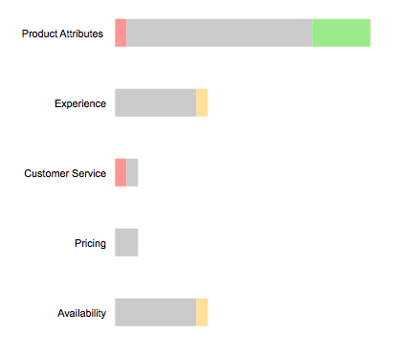

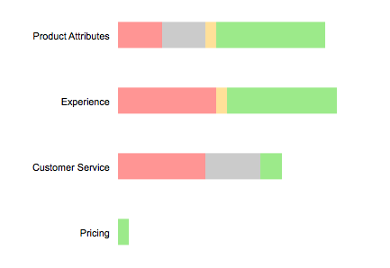



 |  |  |  |  |  |  | Pre sales

 |  |  |  |  |  |  |  |  |  |  |  |  |  | Post sales

Brand Share
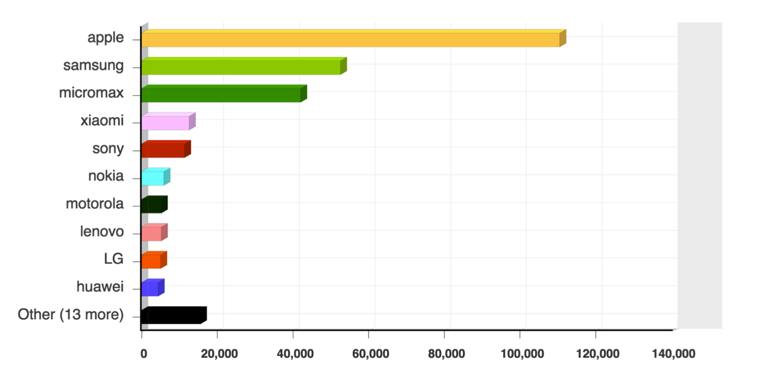
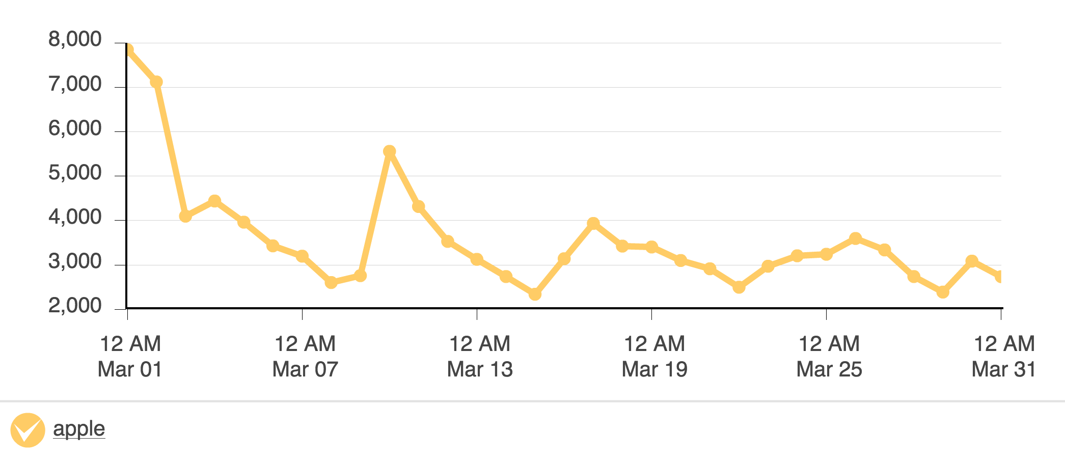
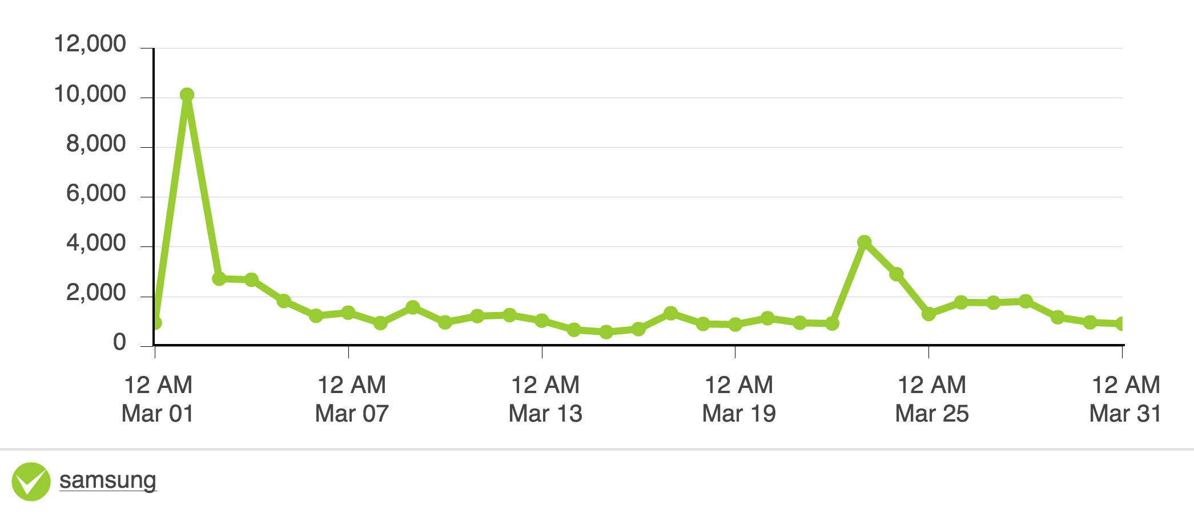
 |  | Approx % |  | No. Posts/31 Days
Apple | 110520 | 40.91% | Apple | 3565
Samsung | 52546 | 19.45% | Samsung | 1695
Micromax | 42034 | 15.56% | Micromax | 1356
Xiaomi | 12588 | 4.66% | Xiaomi | 406
Sony | 11356 | 4.20% | Sony | 366
Nokia | 5857 | 2.17% | Nokia | 189
Motorola | 5179 | 1.92% | Motorola | 167
Lenovo | 5162 | 1.91% | Lenovo | 167
LG | 5024 | 1.86% | LG | 162
Huawei | 4350 | 1.61% | Huawei | 140
Others | 15548 | 5.76% | Others | 502
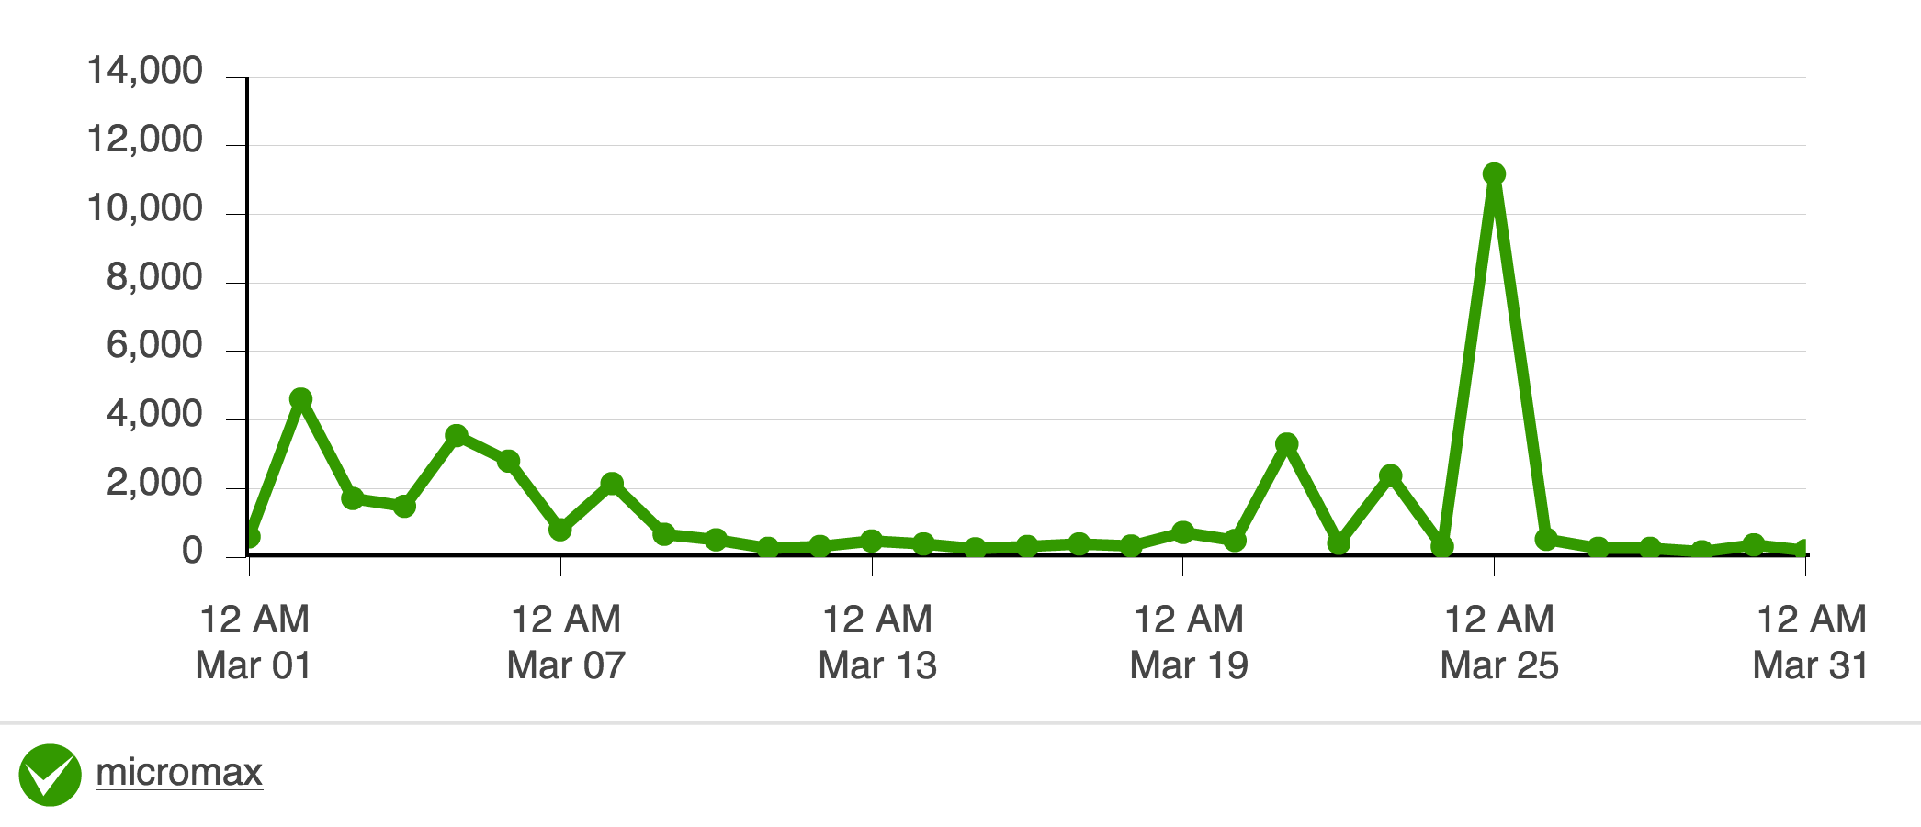
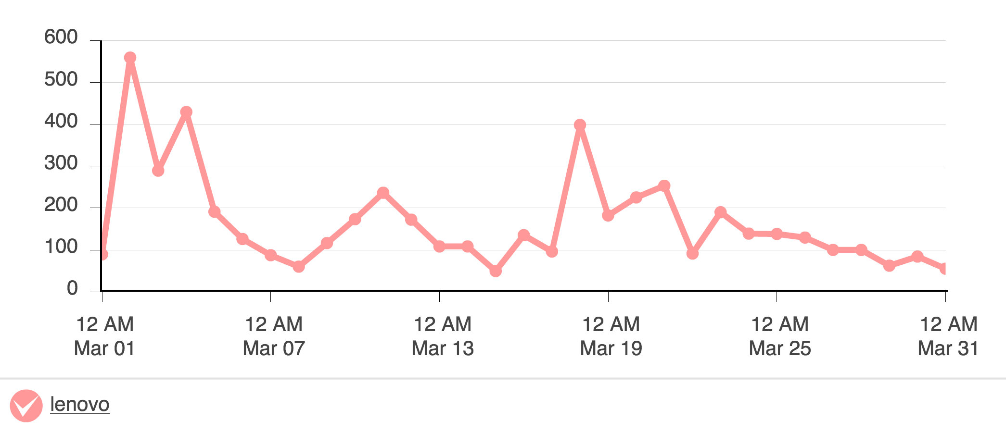
Total | 270164 | 100.00%

